TEST outliers (1)
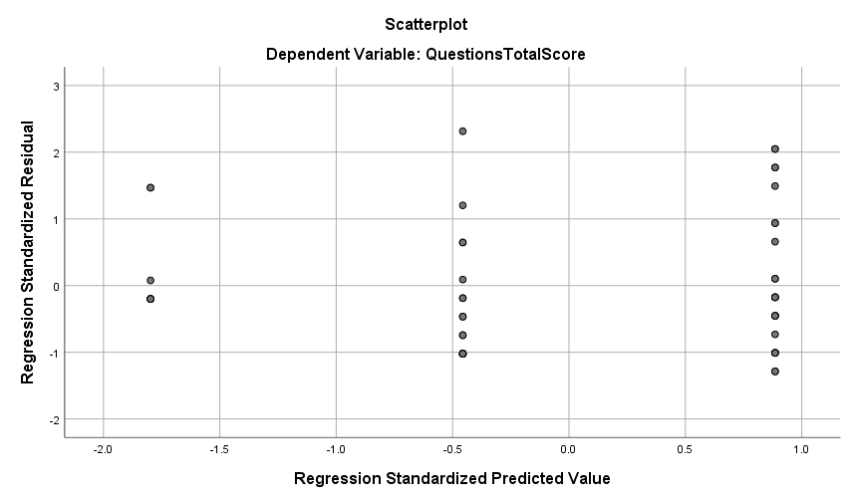
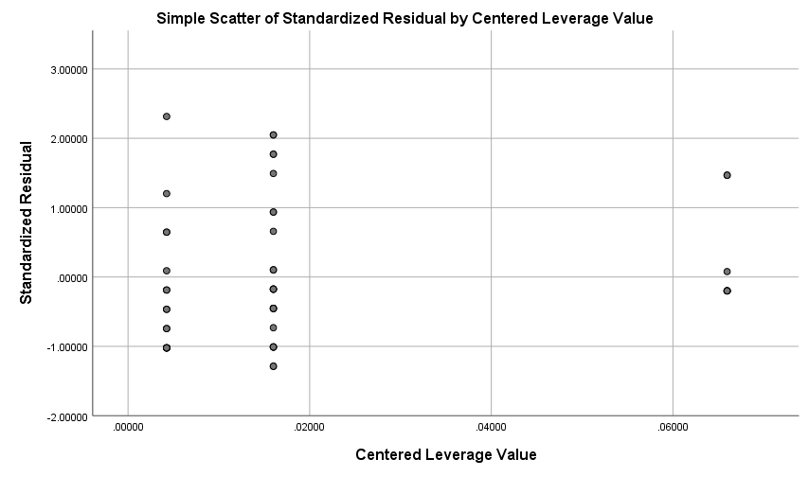
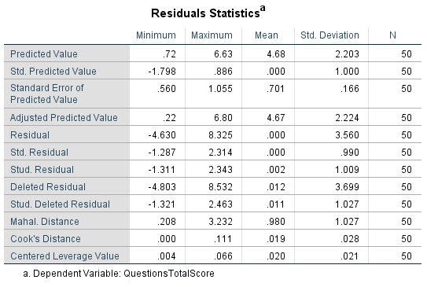

The points in your plot fall fairly close to the diagonal line.
There are minor deviations at the lower and upper tails, which is common.
residuals appear sufficiently normal for most regression assumptions.
Based on this residuals-vs-predicted scatterplot, there is no clear evidence of non-linearity.
LEVERAGE POINT | 0.12 > 0.06597 | 0.06597 | WHY 0.12 (=3*2/50=0.12), This is the cutoff for the leverage point
cutoff |  | max of the leverage
data does not contain extreme X-values that could disproportionately pull or influence the regression line.
This supports the assumptions of regression/ANCOVA and indicates no problematic leverage values.
cook distance (4/n) | 0.08 | > .11083
Because the maximum Cook’s Distance exceeds the cutoff (0.11083 > 0.08), the model contains an influential data point that warrants investigation.

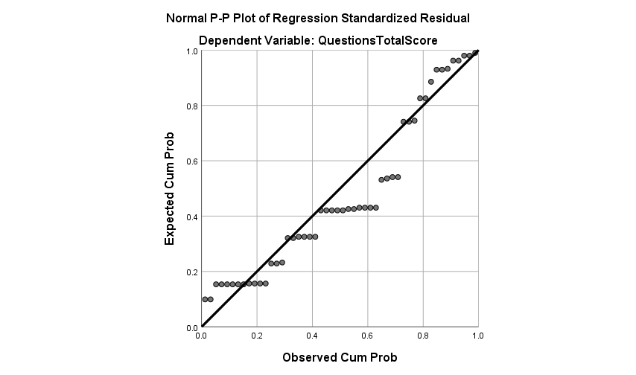

 | there are two influential case for the cook distance under respondents 8 and 9.

NEW DATA TO INTERPRET
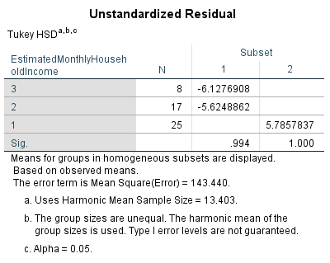
RANK
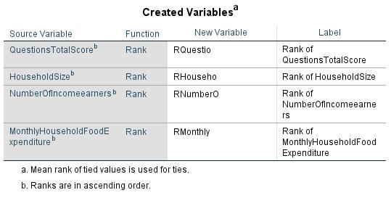

REGRESSION
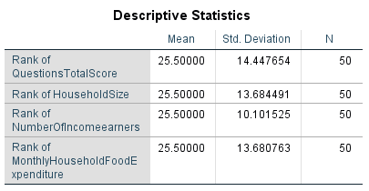

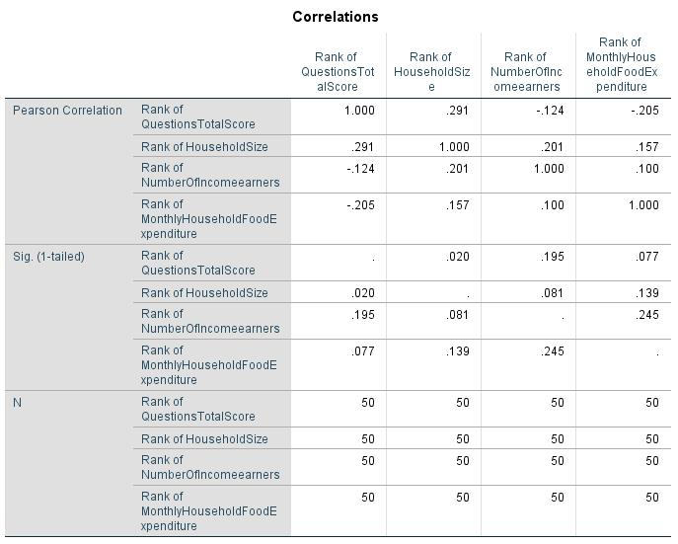

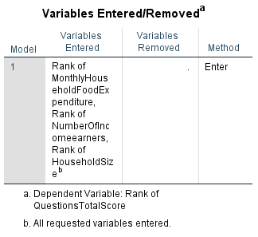

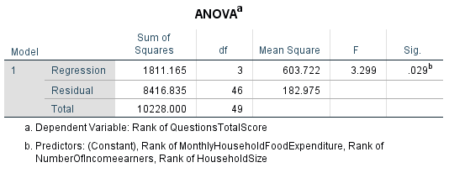

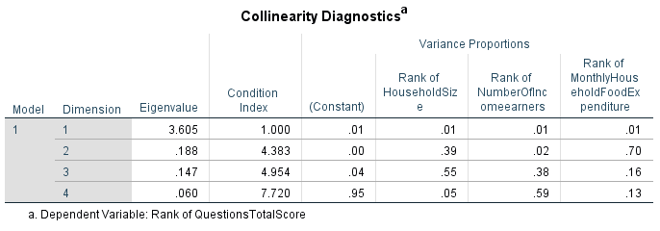

CHARTS
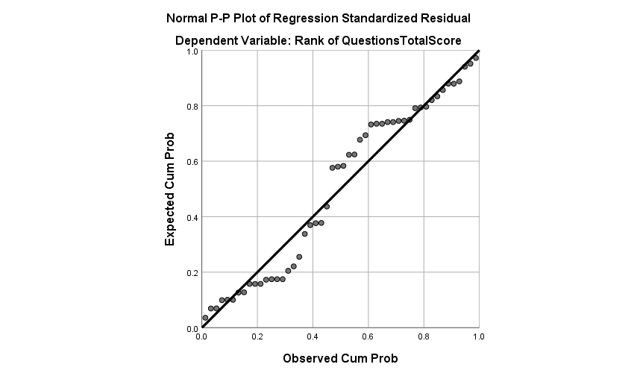

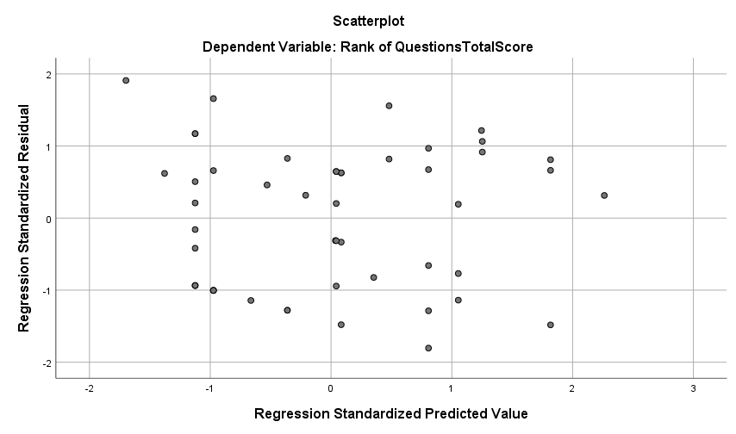

UNIVARIATE OF ANALYSIS
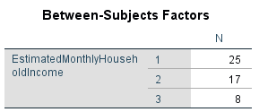

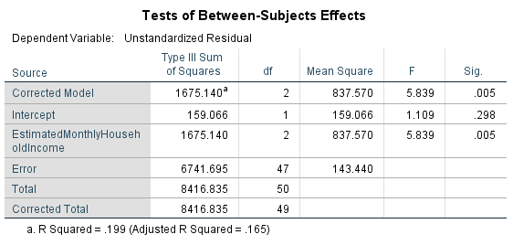

POST HOC TEST
ESTIMATED MONTHLY HOUSEHOLD INCOME
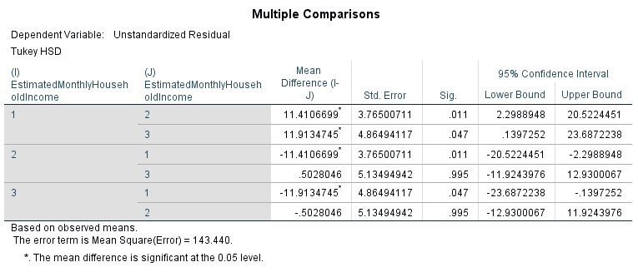

HOMOGENOUS SUBSETS

